Sheet2
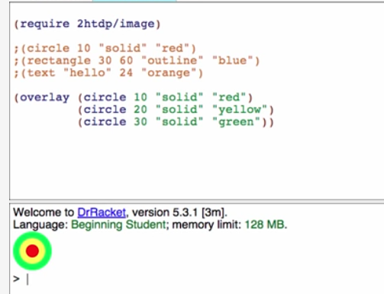
Beginning Student Language (BSL).
Learning Goals
Be able to write expressions that operate on primitive data including numbers, strings, images and booleans.
Be able to write constant and function definitions.
Be able to write out the step-by-step evaluation of simple expressions including function calls.
Be able to use the stepper to automatically step through the evaluation of an expression.
Be able to use the Dr Racket help desk to discover new primitives

